Location Plan & Summary
Intelligent Data Collection Limited

Client: | Bristol City Council |  |  | Date of Survey: |  | 03.11.2015
Project Number: | ID02343 |  |  | Site Name: |  | Freeland Buildings
Site Number: | ANPR Site 20 |  |  | Survey Type: |  | Two-way Link Count

X Coordinate |  | Y Coordinate |  |  | Google Maps Link
51.472137 |  | -2.558547 |  |  | Click Here
AM Peak Conditions |  | Inter-Peak Conditions |  |  | PM Peak Conditions
Overcast |  | Overcast |  |  | Overcast
Junction Layout

N
 |  |  |  |  |  | Arm B - Freeland Buildings (N)

 |  |  | Arm A - Freeland Buildings (S)

Aerial Mapping and On-site Camera View
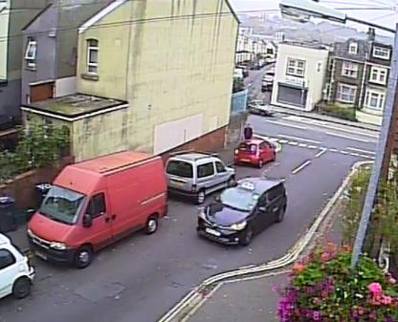

Arm B - Freeland Buildings (N)

Arm A - Freeland Buildings (S)

Junction Flow Profile
Arm Approach Flows (All Vehicles)
 | A to B (Northbound) | B to A (Southbound) | Two-way Total
7:00:00 | 18 | 2 | 20
7:15:00 | 24 | 4 | 28
7:30:00 | 34 | 2 | 36
7:45:00 | 35 | 8 | 43
8:00:00 | 37 | 8 | 45
8:15:00 | 23 | 10 | 33
8:30:00 | 29 | 9 | 38
8:45:00 | 49 | 9 | 58
9:00:00 | 21 | 8 | 29
9:15:00 | 14 | 8 | 22
9:30:00 | 23 | 8 | 31
9:45:00 | 21 | 5 | 26
10:00:00 | 16 | 6 | 22
10:15:00 | 21 | 4 | 25
10:30:00 | 11 | 3 | 14
10:45:00 | 12 | 1 | 13
11:00:00 | 13 | 4 | 17
11:15:00 | 19 | 5 | 24
11:30:00 | 16 | 8 | 24
11:45:00 | 23 | 7 | 30
12:00:00 | 22 | 8 | 30
12:15:00 | 15 | 3 | 18
12:30:00 | 18 | 8 | 26
12:45:00 | 27 | 6 | 33
13:00:00 | 12 | 8 | 20
13:15:00 | 17 | 10 | 27
13:30:00 | 24 | 2 | 26
13:45:00 | 19 | 1 | 20
14:00:00 | 22 | 4 | 26
14:15:00 | 18 | 7 | 25
14:30:00 | 26 | 6 | 32
14:45:00 | 18 | 11 | 29
15:00:00 | 26 | 15 | 41
15:15:00 | 26 | 22 | 48
15:30:00 | 43 | 8 | 51
15:45:00 | 27 | 6 | 33
16:00:00 | 27 | 15 | 42
16:15:00 | 17 | 10 | 27
16:30:00 | 23 | 12 | 35
16:45:00 | 18 | 7 | 25
17:00:00 | 25 | 9 | 34
17:15:00 | 13 | 9 | 22
17:30:00 | 21 | 11 | 32
17:45:00 | 15 | 13 | 28
18:00:00 | 30 | 9 | 39
18:15:00 | 19 | 2 | 21
18:30:00 | 16 | 13 | 29
18:45:00 | 9 | 11 | 20

Additional Notes (Factors which may impact on survey results such as accidents, roadworks, special events):

